Descriptive Stats
To Output this, Select Data ahd Go to Data Tab, Data Analysis , Descriptive Statistics.
Data Analyis is under Analysis if you enable it. To enable go File, Options, Addins, Analysis Toolpak.
Graduate | Starting salary | Starting salary
1 | 3430 |  |  |  | Sample Mean
2 | 3550 | Mean | 3538.3333333 |  | 3538.3333333
3 | 3650 | Standard Error | 48.133075211
4 | 3480 | Median | 3505
5 | 3355 | Mode | 3480 |  | Pop Mean
6 | 3310 | Standard Deviation | 166.73786358 | (Sample Stdev) | 3538.3333333
7 | 3490 | Sample Variance | 27801.515152
8 | 3730 | Kurtosis | 1.6491169555
9 | 3540 | Skewness | 1.0917677442 |  | Median
10 | 3925 | Range | 615 |  | 3505
11 | 3520 | Minimum | 3310
12 | 3480 | Maximum | 3925
 |  | Sum | 42460
 |  | Count | 12

 |  |  |  |  | Mode
 |  |  |  |  | 3480

Note that this workbook calculates population statistics (e.g., variance, standard deviation) using sample data, since full population data is not available. In practice, true population statistics would be calculated using complete population data.
 |  |  |  |  | Range
 |  |  |  |  | 615

 |  | Coefficient of Variation | or
 |  | 4.7123277508

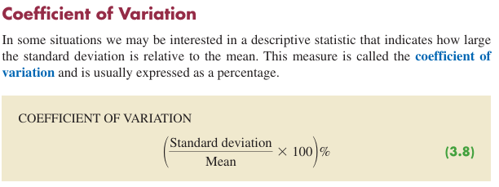
 |  |  |  |  | Sample Variance
 |  |  |  |  | 27801.515152

 |  |  |  |  | Pop Variance
 |  |  |  |  | 25484.722222

Since sample variance and pop variance are different denominators (n vs n-1), the calculations for sample stdev and sample stdev get different results on the same data.
 |  |  |  |  | Sample Stdev
 |  |  |  |  | 166.73786358

 |  |  |  |  | Pop Stdev
 |  |  |  |  | 159.63935048

skewness (distri. shape)
Audit Time |  |  |  | Audit Time | Relative Frequency
12 | Row Labels | Count of Audit Time2 | Count of Audit Time | 12 | 5%
15 | 12 | 5.00% | 1 | 13 | 5%
20 | 13 | 5.00% | 1 | 14 | 10%
12 | 0.05
13 | 0.05
14 | 0.1
15 | 0.1
16 | 0.05
17 | 0.05
18 | 0.15
19 | 0.05
20 | 0.05
21 | 0.05
22 | 0.1
23 | 0.05
27 | 0.05
28 | 0.05
33 | 0.05
22 | 14 | 10.00% | 2 | 15 | 10%
14 | 15 | 10.00% | 2 | 16 | 5%
14 | 16 | 5.00% | 1 | 17 | 5%
15 | 17 | 5.00% | 1 | 18 | 15%
27 | 18 | 15.00% | 3 | 19 | 5%
21 | 19 | 5.00% | 1 | 20 | 5%
18 | 20 | 5.00% | 1 | 21 | 5%
19 | 21 | 5.00% | 1 | 22 | 10%
18 | 22 | 10.00% | 2 | 23 | 5%
22 | 23 | 5.00% | 1 | 27 | 5%
33 | 27 | 5.00% | 1 | 28 | 5%
16 | 28 | 5.00% | 1 | 33 | 5%
18 | 33 | 5.00% | 1
17 | Grand Total | 100.00% | 20
23
28 |  |  |  | Audit Time | Count
12 | 1
13 | 1
14 | 2
15 | 2
16 | 1
17 | 1
18 | 3
19 | 1
20 | 1
21 | 1
22 | 2
23 | 1
27 | 1
28 | 1
33 | 1
13 |  |  |  | 12 | 1
 |  |  |  | 13 | 1
 |  |  |  | 14 | 2
 |  |  |  | 15 | 2
Both Count, and Count as a percentage of total make the same histogram (really a box plot with 0 gap width)
 |  |  |  | 16 | 1
 |  |  |  | 17 | 1
 |  |  |  | 18 | 3
 |  |  |  | 19 | 1
 |  |  |  | 20 | 1
 |  |  |  | 21 | 1
 |  |  |  | 22 | 2
 |  |  |  | 23 | 1
 |  |  |  | 27 | 1
 |  |  |  | 28 | 1
 |  |  |  | 33 | 1

Percentiles, Quartiles, IQR,
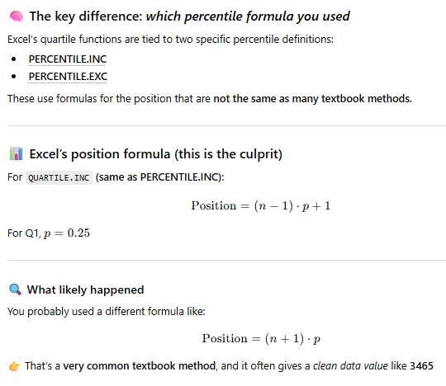
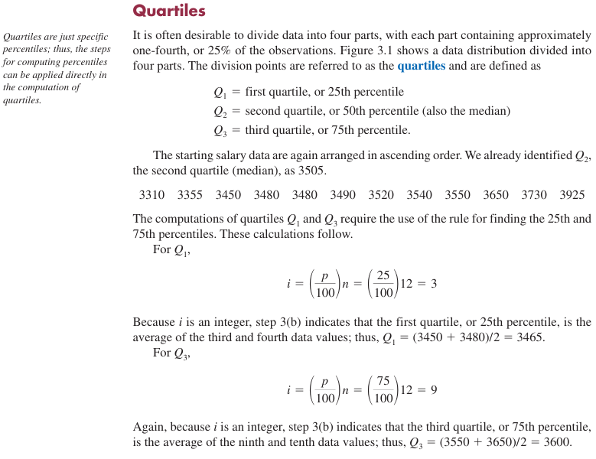
Data | Position | Step 1 |  | n
3310 | 1 | 3310 |  | 12
3355 | 2 | 3355 | Perentile |  | Answer | i | i Rounded Up
3450 | 3 | 3450 | 80 | Perentile | 3650 | 9.6 | 10
3480 | 4 | 3480 | 85 | Perentile | 3730 | 10.2 | 11
3480 | 5 | 3480 | 50 | Perentile | 3505 | 6 | 6
3490 | 6 | 3490 | or 50 Percentile | & Median | 3505
3520 | 7 | 3520
3540 | 8 | 3540 | Percentile | Quartiles | Answer | i | i Rounded Up
3550 | 9 | 3550 | 25 | Q1 | 3465 | 3 | 3
3650 | 10 | 3650 | 50 | Q2 | 3505 | 6 | 6
3730 | 11 | 3730 | 75 | Q3 | 3600 | 9 | 9
3925 | 12 | 3925
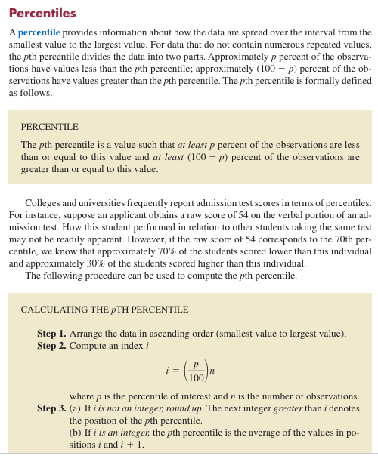
 |  |  |  |  |  | IQR | 135

 |  |  |  |  |  | Five Number Summary
 |  |  |  |  |  | 1. Smallest Value | 3310
 |  |  |  |  |  | 2. First Quartile (Q1) | 3465
 |  |  |  |  |  | 3. Median (Q2) | 3505
 |  |  |  |  |  | 4. Third Quartile (Q3) | 3600
 |  |  |  |  |  | 5. Largest Value | 3925

Step 1, Slect Data, Copy and Paste Values into new column, Sort them. Put a new index next to the sorted values labeled "Position".

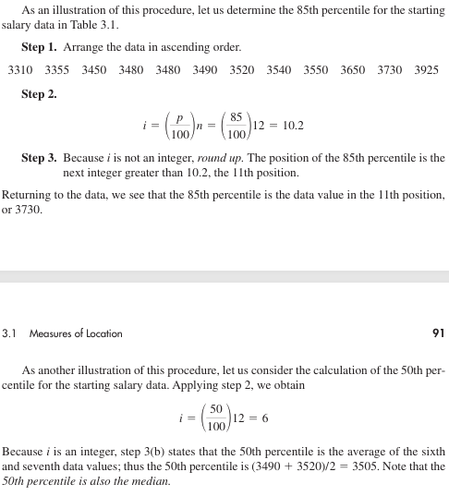
I could just use excels =quartile.inc() and =percentile.inc built in formulas, but it gets results that are a little different than the textbook. That is because in the textbook we are finding the index number i of the sorted numbers, then choosing the rounded up number if i is not an integer, or using the average of i and i+1 if it is an integer.This is to get a "Clean number" but Excel does not do that (and thus gets decimals). So here the difference between the textbook IQR (135), and excel IQR (102.5) is 32.5.

 |  |  |  |  |  |  |  | Excel 1st QUARTILE | Excel 25th Percentile
 |  |  |  |  |  |  |  | 3472.5 | 3472.5

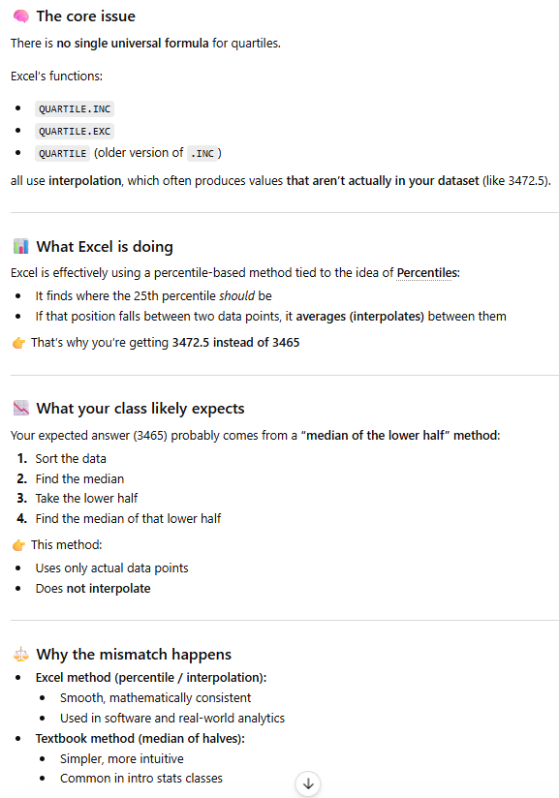
 |  |  |  |  |  |  |  | Percentile | Quartiles
 |  |  |  |  |  |  |  | 25 | Q1 | 3472.5
 |  |  |  |  |  |  |  | 75 | Q3 | 3575

 |  |  |  |  |  |  |  |  | IQR | 102.5

Box Plot & Outliers
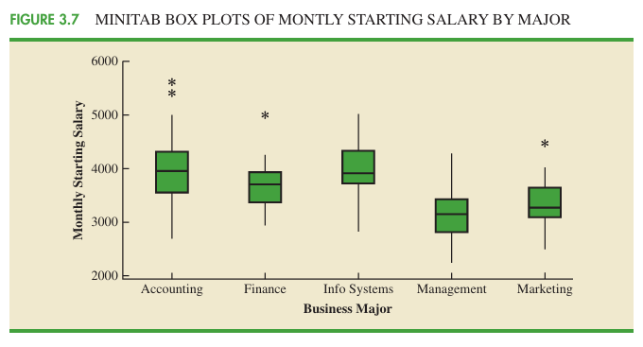
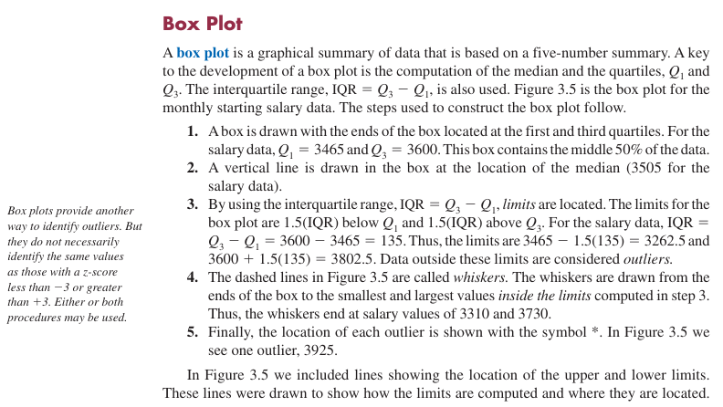
Graduate | Starting salary | Position | Step 1 |  | n
1 | 3430 | 1 | 3310 |  | 12
2 | 3550 | 2 | 3355 |  | Textbook Version
3 | 3650 | 3 | 3450 | Percentile | Quartiles | Answer | i | i Rounded Up
4 | 3480 | 4 | 3480 | 25 | Q1 | 3465 | 3 | 3
5 | 3355 | 5 | 3480 | 75 | Q3 | 3600 | 9 | 9
6 | 3310 | 6 | 3490
7 | 3490 | 7 | 3520
8 | 3730 | 8 | 3540
9 | 3540 | 9 | 3550 |  | IQR | 135 |  | Outliers
10 | 3925 | 10 | 3650 |  | Lower Limit | 3262.5 |  | 1
11 | 3520 | 11 | 3730 |  | Upper Limit | 3802.5
Put conditional formatting , new rule on the values if they are greater than upper limit or less than lower limit. I only put the rule on the textbook version of limits but I would normally just use the excel version.
12 | 3480 | 12 | 3925

For a box plot, Select B Column, Go to Insert Tab, Click Recommended Charts, All Charts, Box and Whiskers. The Outlier is the dot. Wont let me flip the axis for some reason of the visualization.

IQR is the range for the middle 50 percent of the data.
Interquartile Range (IQR) Outlier rule:
Outliers are values below Q1 − 1.5×IQR or above Q3 + 1.5×IQR
 |  |  |  |  |  | Excel Version
 |  |  |  |  |  | Percentile | Quartiles
 |  |  |  |  |  | 25 | Q1 | 3467.5
 |  |  |  |  |  | 75 | Q3 | 3575
 |  |  |  |  |  | Excel | IQR | 107.5
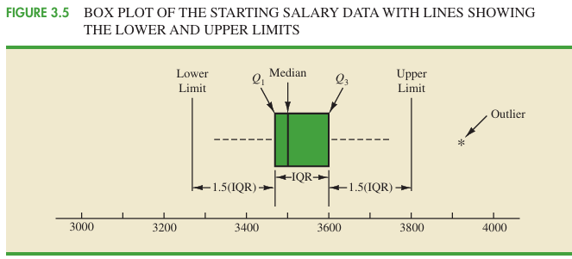
 |  |  |  |  |  |  | Lower Limit | 3306.25
 |  |  |  |  |  |  | Upper Limit | 3736.25

 |  |  |  |  |  |  | Outliers | 1

Z-Scores & Outliers
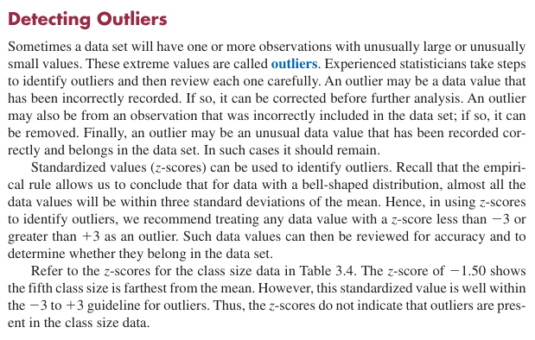
Number of Students in Class (Xi) | Deviation About the Mean | Z Score | mean | stdev | Percentile | Quartiles
46 | -19.625 | -0.35322599406 | 65.625 | 55.559331221 | 25 | Q1 | 40.25
54 | -11.625 | -0.20923577992 |  |  | 75 | Q3 | 58
42 | -23.625 | -0.42522110113 | Number of Outliers Based off Z Score
46 | -19.625 | -0.35322599406 | 0 |  |  | IQR | 17.75
32 | -33.625 | -0.60520886881
70 | 4.375 | 0.078744648358 | Number of Outliers Based off IQR |  |  | Lower Limit | 13.625
200 | 134.375 | 2.4185856281 | 1 |  |  | Upper Limit | 84.625
35 | -30.625 | -0.55121253851

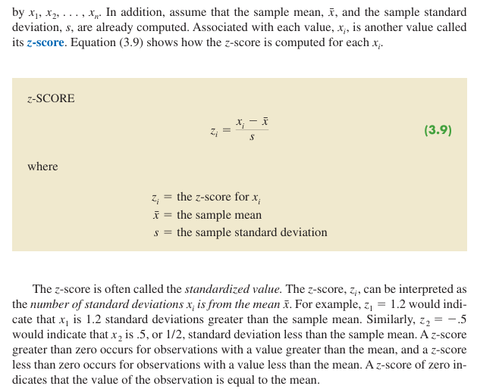

The Z score method is based off of mean and standard deviation and assumes a normal distribution (bell shaped curve). Z-scores become less reliable for outlier detection when the data isn’t roughly normal or the sample is small. For example here where the 200 student class is an outlier but not a z score over 3 or less than -3.
The IQR method works whether your data is bell-shaped or not, and that’s exactly why boxplots use it.
The boxplot method (IQR Method) is based on quartiles (median focused). It is more robust to skew and small samples, and does not care about standard deviation at all. Instead, it uses the Interquartile Range (IQR) Outlier rule:
Outliers are values below Q1 − 1.5×IQR or above Q3 + 1.5×IQR

For a box plot, Select the Column, Go to Insert Tab, Click Recommended Charts, All Charts, Box and Whiskers. The Outlier is the dot. Wont let me flip the axis for some reason of the visualization.

table3.6 manual covariance calc
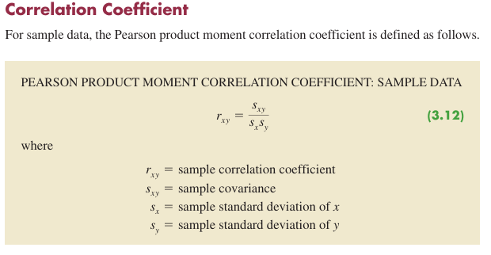
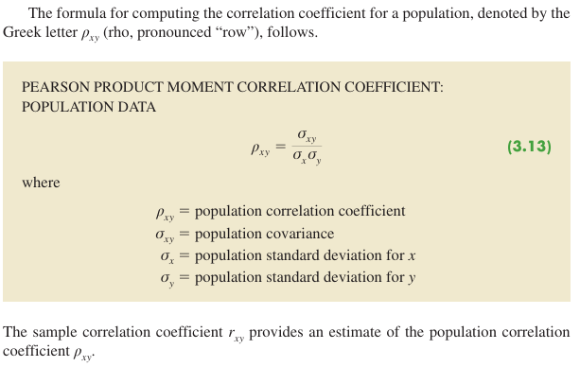
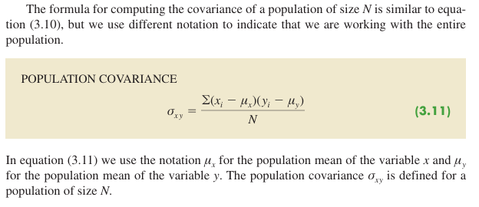
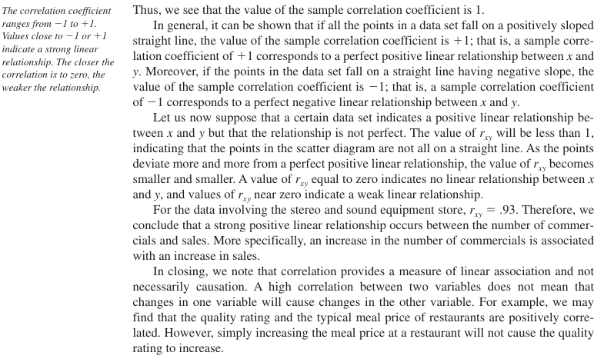
Covariance gives raw co-movement with the catch that the magnitute is hard to interpret since it depends on the units of the variables. So a covariance of 500 vs 5 does not necessarily mean stronger, it might just be due to scale. If it is positive the variables move together, negative they move oppositely. Near zero, no consistent linear relationship.
Correlation Coefficient is both direction and strength of linear relationship since it is always between negative one and one.
Always between -1 and +1
+1 → perfect positive linear relationship
-1 → perfect negative linear relationship
0 → no linear relationship
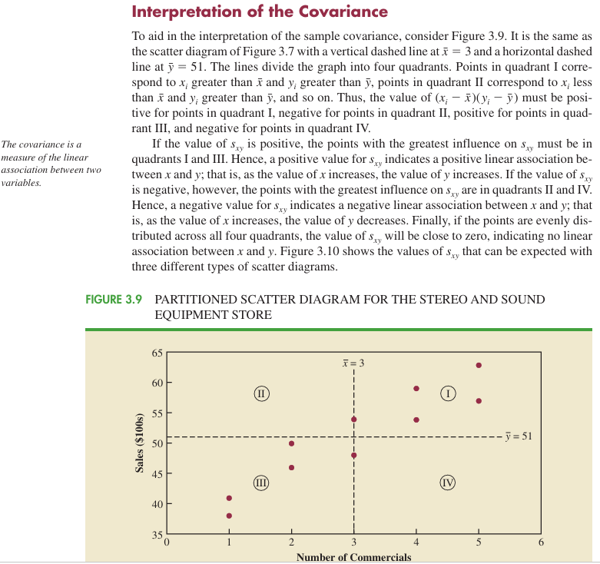
Week | Number of Commercials (x) | Sales | xi-x̄ | yi- ȳ | (xi-x̄)(yi- ȳ)
1 | 2 | 50 | -1 | -1 | 1
2 | 5 | 57 | 2 | 6 | 12
3 | 1 | 41 | -2 | -10 | 20
4 | 3 | 54 | 0 | 3 | 0
5 | 4 | 54 | 1 | 3 | 3
6 | 1 | 38 | -2 | -13 | 26
7 | 5 | 63 | 2 | 12 | 24
8 | 3 | 48 | 0 | -3 | 0
9 | 4 | 59 | 1 | 8 | 8
10 | 2 | 46 | -1 | -5 | 5

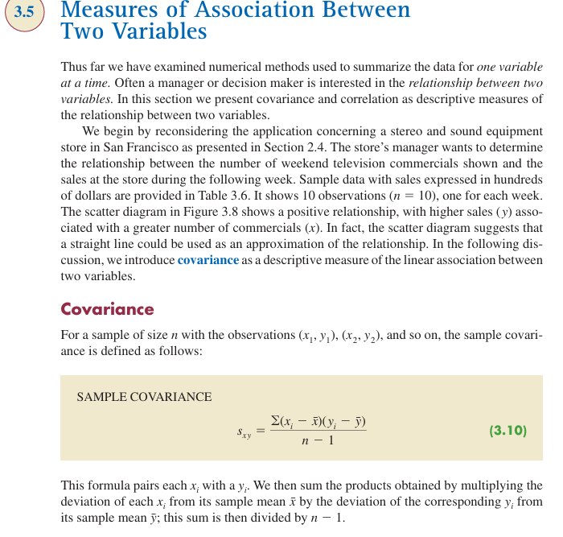
sample mean | 3 | 51 |  | sum | 99
sample stdev | 1.49 | 7.93
 |  |  |  | n-1 | 9
pop stdev | 1.4142135624 | 7.5232971495
 |  |  |  | Sample covariance | 11.0
Note that this workbook calculates population statistics (e.g., stdev, covariance, variance, corr. coeff. ) using sample data, since full population data is not available. In practice, true population statistics would be calculated using complete population data.
 |  |  |  | sample correlation coefficient | 0.930

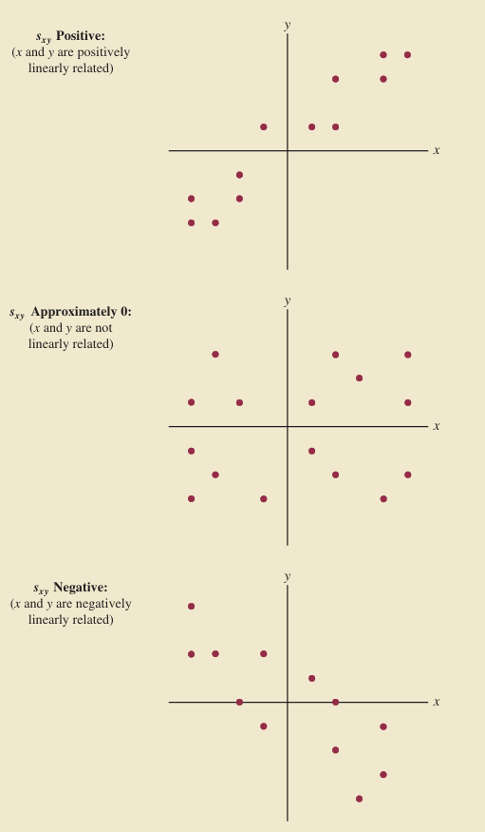
 |  |  |  | Population Covariance | 9.90
 |  |  |  | Population Correlation Coefficient | 0.930

table 3.6 covariance correl.
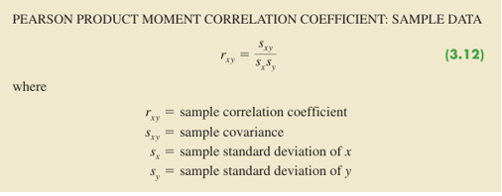
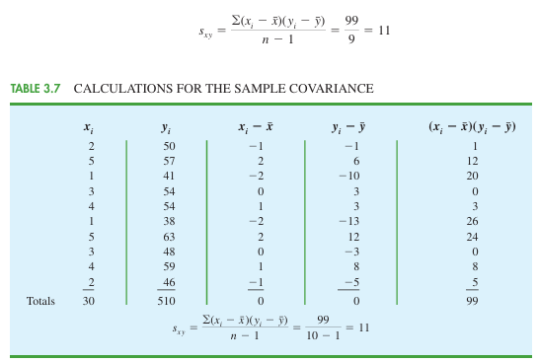
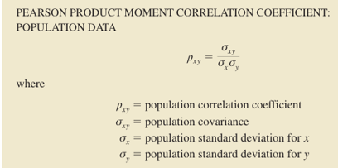
Covariance gives raw co-movement with the catch that the magnitute is hard to interpret since it depends on the units of the variables. So a covariance of 500 vs 5 does not necessarily mean stronger, it might just be due to scale. If it is positive the variables move together, negative they move oppositely. Near zero, no consistent linear relationship.
Correlation Coefficient is both direction and strength of linear relationship since it is always between negative one and one.
Always between -1 and +1
+1 → perfect positive linear relationship
-1 → perfect negative linear relationship
0 → no linear relationship
Week | Number of Commercials (x) | Sales
1 | 2 | 50 | Sample Covariance | 11.00
2 | 5 | 57 | Sample Correlation | 0.930
3 | 1 | 41
4 | 3 | 54 | Population Covariance | 9.900
5 | 4 | 54 | Population Covariance | 0.930
6 | 1 | 38
7 | 5 | 63
8 | 3 | 48
9 | 4 | 59
10 | 2 | 46

sample mean | 3 | 51
sample stdev | 1.49 | 7.93

Pop Stdev | 1.41 | 7.52

Note that this workbook calculates population statistics (e.g., stdev., covariance, variance, corr. coeff. ) using sample data, since full population data is not available. In practice, true population statistics would be calculated using complete population data.

grouped mean and stdev
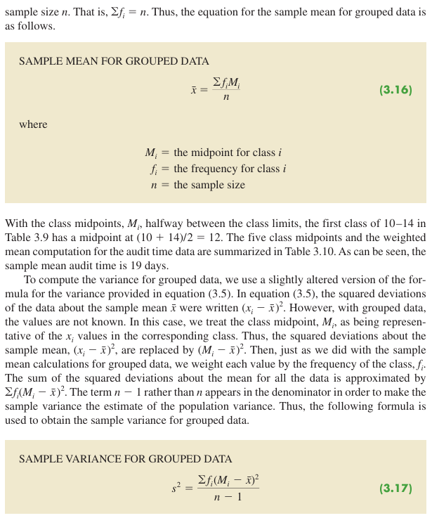
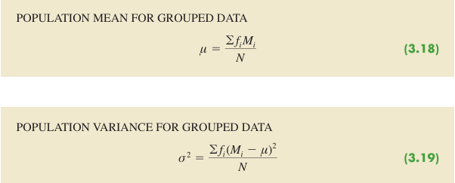
Class Midpoint Formula:
=(LEFT(D2, FIND("-", D2)-1) + MID(D2, FIND("-", D2)+1, LEN(D2)))/2
Audit Time (days) | Count of Audit Time or "Frequency" | Audit Time (days) | Class Midpoint (Mi) | Frequency (fi) | fiMi
10-14 | 4 | 10-14 | 12 | 4 | 48
15-19 | 8 | 15-19 | 17 | 8 | 136
20-24 | 5 | 20-24 | 22 | 5 | 110
25-29 | 2 | 25-29 | 27 | 2 | 54
30-34 | 1 | 30-34 | 32 | 1 | 32
Grand Total (n) | 20 |  | Sum | 20 | 380

 |  |  | Sample mean for grouped data ̄x | 19
 |  |  | Pop Mean for Grouped Data µ | 19

Note that this workbook calculates population statistics (e.g., variance, standard deviation) using sample data, since full population data is not available. In practice, true population statistics would be calculated using complete population data.
 |  | Audit Time (days) | Class Midpoint (Mi) | Frequency (fi) | Deviation (Mi-x̄ ) | Squared Deviation (Mi-x̄ )^2 | fi(Mi-x̄ )^2
 |  | 10-14 | 12 | 4 | -7 | 49 | 196
 |  | 15-19 | 17 | 8 | -2 | 4 | 32
 |  | 20-24 | 22 | 5 | 3 | 9 | 45
 |  | 25-29 | 27 | 2 | 8 | 64 | 128
 |  | 30-34 | 32 | 1 | 13 | 169 | 169
 |  |  | Sum | 20 |  | Sum | 570
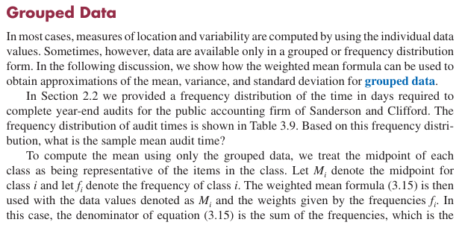
To put squared symbol, turn number lock on, Hold Alt and type 0178 on numeric keypad, release Alt: ²
For sigma or pop stdev symbol, with num lock on, hold Alt key, type 229 on numeric keypad, release Alt: σ
For sample mean symbol with num lock on, hold Alt and type 0772, release Alt then press x : ̄x
For Pop mean symbol with num lock on, Hold Alt, type 0181, release Alt: µ
 |  |  |  | Sample Variance s² | 30
 |  |  |  | Sample Stdev | 5.48

 |  |  |  | Pop Variance σ² | 28.5

